Dokumentasi
DOKUMENTASI DATA CLEANSING & BUSINESS INSIGHT - GAYANARA'S STORE

1. RINGKASAN DATASET (BEFORE VS AFTER) |  |  |  |  |  |  | ENTITY RELATIONSHIP DIAGRAM
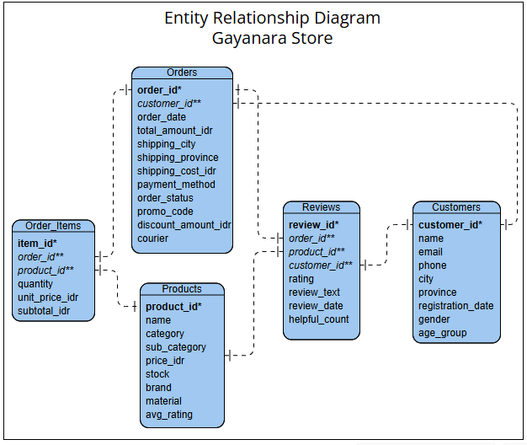
BEFORE |  |  | AFTER
Table | Rows | Columns | Table | Rows | Columns
Customers | 800 | 9 | Customers | 800 | 9
Order_Items | 4986 | 6 | Order_Items | 4986 | 6
Orders | 3000 | 12 | Orders | 3000 | 12
Products | 300 | 10 | Products | 300 | 10
Reviews | 1500 | 8 | Reviews | 1500 | 8
 |  |  | Master_Data | 4986 | 25

2. STEP BY STEP DATA PREPARATION (CLEANING, FORMATTING, AND TRANSFORMING)

Langkah |  |  |  |  |  | Fitur/Rumus
1. Memisahkan data mentah yang masih ter delimited |  |  |  |  |  | Text to Column
2. Standarisasi tipe data |  |  |  |  |  | PROPER, TRIM, Find and Replace
3. Standarisasi 14 variasi kategori produk menjadi 6 kategori baku |  |  |  |  |  | PROPER, TRIM, Find and Replace
4. Mengisi missing value kolom material dengan "Tidak Diketahui" |  |  |  |  |  | Find and Replace
5. Mengisi missing value di kolom review_text dengan "Tidak ada komentar" |  |  |  |  |  | Find and Replace
6. Mengisi missing value promo_code/discount_amount_idr dengan "Tanpa Promo" / 0 |  |  |  |  |  | Find and Replace
7. Menambahkan kolom baru is_lost_revenue dan lost_amount_idr per item |  |  |  |  |  | IF, OR
8. Menyusun ERD untuk mengetahui relasi antar tabel |  |  |  |  |  | ERD MAKER "Visual Paradigm"
9. Menggabungkan 5 tabel menjadi 1 tabel master bernama "Master_Data" |  |  |  |  |  | VLOOKUP
10. Memeriksa error hasil penggabungan tabel dan verifikasi tipe data |  |  |  |  |  | Conditional Formatting

3. NOTE/CATATAN

Isu/Kolom |  |  | Catatan
Kolom phone (customers) |  |  | Dibiarkan Kosong karena tidak mempengaruhi visualisasi
Kolom email (customers) |  |  | Dibiarkan apa adanya, 3 customer memiliki email yang sama tetapi data lainnya berbeda dianggap bukan orang yang sama
Kolom is_lost_revenue (Master_Data) |  |  | Order dengan status "cancelled" dan "returned"

